Result1
2025.08.04 FW WYCENA 1035SUR082025-S235-8-Nitrogen(8) - Result1
Cut Plan
Material | Thickness(mm) | Plate Size(mm*mm) |  | Nested Plate Size(mm*mm) |  | Cut number: | Cut time per piece | Part Qty
S235 | 8.00 | 1500.00 * 3000.00 |  | 1484.02 * 2984.04 |  | 1 | 50min34s | 73
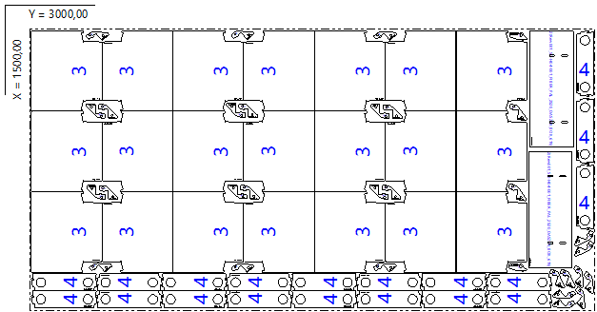

Part List
ID | Thumbnail | Part Name | Part Size(mm*mm) | Qty | Cut Length(m) | Marking length(m) | Defilm Length(m)
319085 |  | Rew001_SO-G97-001_FIBER_PAL_BAZA_MOC_GRZEB_BOK | 100.00 * 73.00 | 29 / 36 | 0.4 | 0.1 | 0
319087 |  | Rew001_SO-H04-001_FIBER_PAL_2520_DASZEK_BOK_619 | 619.00 * 230.00 | 2 / 24 | 1.98 | 0.12 | 0
319089 |  | Rew001_SO-H14-001_FIBER_DASZEK_TRAPEZ_PAL | 375.00 * 428.65 | 21 / 48 | 1.63 | 0.12 | 0
319091 |  | Rew001_SO-H08-001_FIBER_PAL_WANNA_WZMOC | 349.28 * 90.00 | 19 / 72 | 1.24 | 0.12 | 0
319093 |  | Rew001_SO-G98-001_FIBER_PAL_BAZA_POZ_Y | 38.00 * 94.26 | 2 / 12 | 0.3 | 0.12 | 0

Result2
2025.08.04 FW WYCENA 1035SUR082025-S235-8-Nitrogen(8) - Result2
Cut Plan
Material | Thickness(mm) | Plate Size(mm*mm) |  | Nested Plate Size(mm*mm) |  | Cut number: | Cut time per piece | Part Qty
S235 | 8.00 | 1500.00 * 3000.00 |  | 1460.07 * 2984.00 |  | 2 | 26min34s | 22
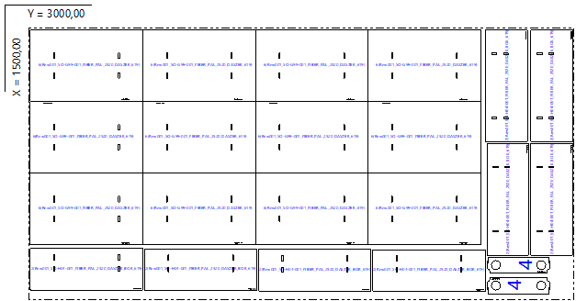

Part List
ID | Thumbnail | Part Name | Part Size(mm*mm) | Qty | Cut Length(m) | Marking length(m) | Defilm Length(m)
319087 |  | Rew001_SO-H04-001_FIBER_PAL_2520_DASZEK_BOK_619 | 619.00 * 230.00 | 8 / 24 | 1.98 | 0.12 | 0
319091 |  | Rew001_SO-H08-001_FIBER_PAL_WANNA_WZMOC | 349.28 * 90.00 | 2 / 72 | 1.24 | 0.12 | 0
319201 |  | Rew001_SO-G99-001_FIBER_PAL_2520_DASZEK_619 | 619.00 * 395.50 | 12 / 36 | 2.34 | 0.12 | 0

Result3
2025.08.04 FW WYCENA 1035SUR082025-S235-8-Nitrogen(8) - Result3
Cut Plan
Material | Thickness(mm) | Plate Size(mm*mm) |  | Nested Plate Size(mm*mm) |  | Cut number: | Cut time per piece | Part Qty
S235 | 8.00 | 1500.00 * 3000.00 |  | 1427.31 * 2974.43 |  | 1 | 24min02s | 20
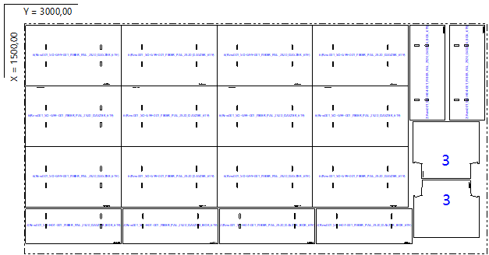

Part List
ID | Thumbnail | Part Name | Part Size(mm*mm) | Qty | Cut Length(m) | Marking length(m) | Defilm Length(m)
319087 |  | Rew001_SO-H04-001_FIBER_PAL_2520_DASZEK_BOK_619 | 619.00 * 230.00 | 6 / 24 | 1.98 | 0.12 | 0
319089 |  | Rew001_SO-H14-001_FIBER_DASZEK_TRAPEZ_PAL | 375.00 * 428.65 | 2 / 48 | 1.63 | 0.12 | 0
319201 |  | Rew001_SO-G99-001_FIBER_PAL_2520_DASZEK_619 | 619.00 * 395.50 | 12 / 36 | 2.34 | 0.12 | 0

Result4
2025.08.04 FW WYCENA 1035SUR082025-S235-8-Nitrogen(8) - Result4
Cut Plan
Material | Thickness(mm) | Plate Size(mm*mm) |  | Nested Plate Size(mm*mm) |  | Cut number: | Cut time per piece | Part Qty
S235 | 8.00 | 1500.00 * 3000.00 |  | 1459.23 * 2981.71 |  | 1 | 25min50s | 21
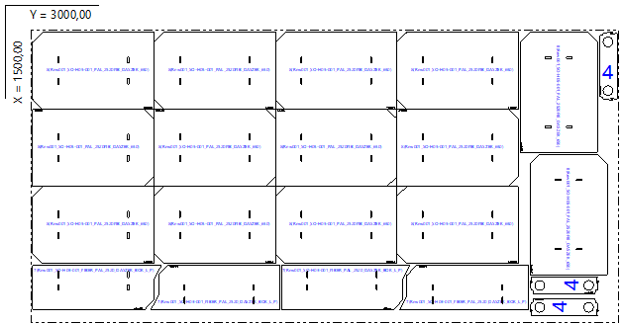

Part List
ID | Thumbnail | Part Name | Part Size(mm*mm) | Qty | Cut Length(m) | Marking length(m) | Defilm Length(m)
319091 |  | Rew001_SO-H08-001_FIBER_PAL_WANNA_WZMOC | 349.28 * 90.00 | 3 / 72 | 1.24 | 0.12 | 0
319307 |  | Rew001_SO-H03-001_FIBER_PAL_2520_DASZEK_BOK_L_P | 655.74 * 230.00 | 4 / 24 | 2 | 0.12 | 0
319308 |  | Rew001_SO-H05-001_PAL_2520FIB_DASZEK_650 | 619.00 * 395.50 | 14 / 36 | 2.29 | 0.12 | 0

Result5
2025.08.04 FW WYCENA 1035SUR082025-S235-8-Nitrogen(8) - Result5
Cut Plan
Material | Thickness(mm) | Plate Size(mm*mm) |  | Nested Plate Size(mm*mm) |  | Cut number: | Cut time per piece | Part Qty
S235 | 8.00 | 1500.00 * 3000.00 |  | 1484.00 * 2984.00 |  | 1 | 33min53s | 39
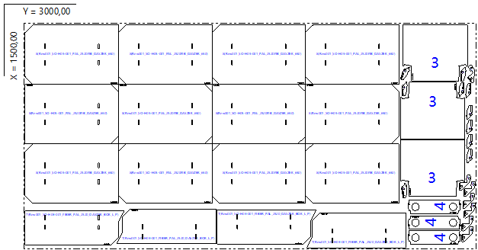

Part List
ID | Thumbnail | Part Name | Part Size(mm*mm) | Qty | Cut Length(m) | Marking length(m) | Defilm Length(m)
319085 |  | Rew001_SO-G97-001_FIBER_PAL_BAZA_MOC_GRZEB_BOK | 100.00 * 73.00 | 7 / 36 | 0.4 | 0.1 | 0
319089 |  | Rew001_SO-H14-001_FIBER_DASZEK_TRAPEZ_PAL | 375.00 * 428.65 | 3 / 48 | 1.63 | 0.12 | 0
319091 |  | Rew001_SO-H08-001_FIBER_PAL_WANNA_WZMOC | 349.28 * 90.00 | 3 / 72 | 1.24 | 0.12 | 0
319093 |  | Rew001_SO-G98-001_FIBER_PAL_BAZA_POZ_Y | 38.00 * 94.26 | 10 / 12 | 0.3 | 0.12 | 0
319307 |  | Rew001_SO-H03-001_FIBER_PAL_2520_DASZEK_BOK_L_P | 655.74 * 230.00 | 4 / 24 | 2 | 0.12 | 0
319308 |  | Rew001_SO-H05-001_PAL_2520FIB_DASZEK_650 | 619.00 * 395.50 | 12 / 36 | 2.29 | 0.12 | 0

Result6
2025.08.04 FW WYCENA 1035SUR082025-S235-8-Nitrogen(8) - Result6
Cut Plan
Material | Thickness(mm) | Plate Size(mm*mm) |  | Nested Plate Size(mm*mm) |  | Cut number: | Cut time per piece | Part Qty
S235 | 8.00 | 1500.00 * 3000.00 |  | 1477.44 * 2984.04 |  | 1 | 37min58s | 49
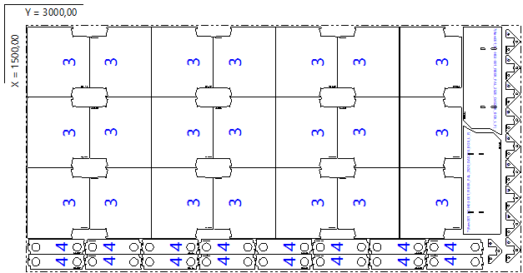

Part List
ID | Thumbnail | Part Name | Part Size(mm*mm) | Qty | Cut Length(m) | Marking length(m) | Defilm Length(m)
319089 |  | Rew001_SO-H14-001_FIBER_DASZEK_TRAPEZ_PAL | 375.00 * 428.65 | 21 / 48 | 1.63 | 0.12 | 0
319091 |  | Rew001_SO-H08-001_FIBER_PAL_WANNA_WZMOC | 349.28 * 90.00 | 16 / 72 | 1.24 | 0.12 | 0
319307 |  | Rew001_SO-H03-001_FIBER_PAL_2520_DASZEK_BOK_L_P | 655.74 * 230.00 | 2 / 24 | 2 | 0.12 | 0
319487 |  | Rew001_SO-G94-001_FIBER_PAL_BAZA_MOC_GRZEB | 150.00 * 82.86 | 10 / 54 | 0.61 | 0.1 | 0

Result7
2025.08.04 FW WYCENA 1035SUR082025-S235-8-Nitrogen(8) - Result7
Cut Plan
Material | Thickness(mm) | Plate Size(mm*mm) |  | Nested Plate Size(mm*mm) |  | Cut number: | Cut time per piece | Part Qty
S235 | 8.00 | 1500.00 * 3000.00 |  | 1484.03 * 2966.63 |  | 1 | 38min56s | 34
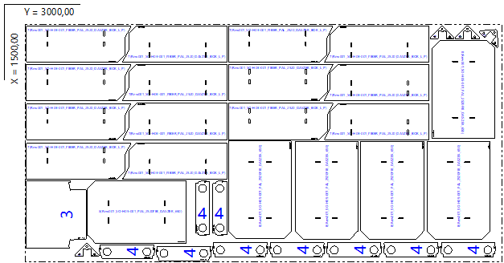

Part List
ID | Thumbnail | Part Name | Part Size(mm*mm) | Qty | Cut Length(m) | Marking length(m) | Defilm Length(m)
319089 |  | Rew001_SO-H14-001_FIBER_DASZEK_TRAPEZ_PAL | 375.00 * 428.65 | 1 / 48 | 1.63 | 0.12 | 0
319091 |  | Rew001_SO-H08-001_FIBER_PAL_WANNA_WZMOC | 349.28 * 90.00 | 9 / 72 | 1.24 | 0.12 | 0
319307 |  | Rew001_SO-H03-001_FIBER_PAL_2520_DASZEK_BOK_L_P | 655.74 * 230.00 | 14 / 24 | 2 | 0.12 | 0
319308 |  | Rew001_SO-H05-001_PAL_2520FIB_DASZEK_650 | 619.00 * 395.50 | 6 / 36 | 2.29 | 0.12 | 0
319487 |  | Rew001_SO-G94-001_FIBER_PAL_BAZA_MOC_GRZEB | 150.00 * 82.86 | 4 / 54 | 0.61 | 0.1 | 0

Result8
2025.08.04 FW WYCENA 1035SUR082025-S235-8-Nitrogen(8) - Result8
Cut Plan
Material | Thickness(mm) | Plate Size(mm*mm) |  | Nested Plate Size(mm*mm) |  | Cut number: | Cut time per piece | Part Qty
S235 | 8.00 | 1524.04 * 1531.80 |  | 1484.04 * 1491.80 |  | 1 | 45min35s | 62
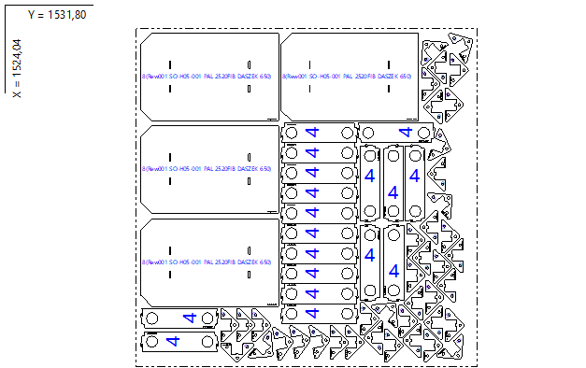

Part List
ID | Thumbnail | Part Name | Part Size(mm*mm) | Qty | Cut Length(m) | Marking length(m) | Defilm Length(m)
319091 |  | Rew001_SO-H08-001_FIBER_PAL_WANNA_WZMOC | 349.28 * 90.00 | 18 / 72 | 1.24 | 0.12 | 0
319308 |  | Rew001_SO-H05-001_PAL_2520FIB_DASZEK_650 | 619.00 * 395.50 | 4 / 36 | 2.29 | 0.12 | 0
319487 |  | Rew001_SO-G94-001_FIBER_PAL_BAZA_MOC_GRZEB | 150.00 * 82.86 | 40 / 54 | 0.61 | 0.1 | 0

